Smart CB STM32
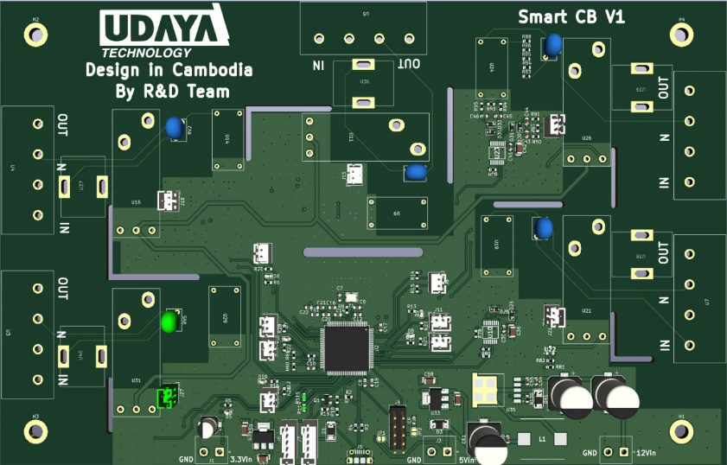

 | Button2
 | 3V3
 | PA7 |  |  |  |  |  |  |  |  | I2C
 |  |  |  |  |  |  |  |  |  | I2C1_SDA(PB9)
 |  | Wifi_button |  |  |  |  |  |  |  | I2C1_SCL(PB8)
 |  | 3V3
 |  | PE8
 |  |  |  |  |  |  |  |  |  | Button5
 |  | Button3 |  |  |  |  |  |  |  | PB3 | 3V3
 |  | PE14
 |  | 3V3 |  |  |  |  |  |  |  | Button4
 |  |  |  |  | STM32 |  |  |  |  | PD6 | 3V3

 |  | Button6
 |  | PD10
 |  | 3V3

 |  |  | S_program | Serial_android |  |  |  | ST_Link
 |  |  | UART1_TX (PA9 ) | RXD |  |  |  | X | SWCLK(PA14)
 |  |  | UART1_RX (PA10) | TXD |  |  |  | X | SWDIO (PA13)
 |  |  | 5V | 5V |  |  |  | X | GND
 |  |  | GND | GND |  |  |  | X | 3V3
 |  |  | 3V3 | 3V3 |  |  |  | X | 5V

Power 3V3 |  |  |  |  |  | USB |  |  |  | Power 5V |  |  | Power 12V
GND | 3V3 |  |  |  |  |  |  |  |  | GND | 5V |  | GND | 12V

 | Button Connect to STM32 |  |  |  | LED Pin |  |  |  | Pin energy Sensor
 | No | Name | GPIO |  | No | Name | GPIO |  | No | Name | GPIO | STM32 | Pin Relay
 | 1 | Button2 | PA7 |  | 1 | LED2 | PC4 |  | 1 | Sensor | RX2 | PA3
 | 2 | Button3 | PE14 |  | 2 | LED3 | PE13 |  |  |  | TX2 | PA2
 | 3 | Button4 | PD6 |  | 3 | LED4 | PD7 |  |  |  | A2 | PA5 | Relay
 | 4 | Button5 | PB3 |  | 4 | LED5 | PB4 |  |  |  | B2 | PA4
 | 5 | Button6 | PD10 |  | 5 | LED6 | PD9 |  | 2 | Sensor1 | RX3 | PB11
 | 6 | Wifi_Button | PE8 |  |  |  |  |  |  |  | TX3 | PB10
 |  |  |  |  |  |  |  |  |  |  | A3 | PB13 | Relay
 |  |  |  |  | PIN URAT |  |  |  |  |  | B3 | PB12
 |  |  |  |  | 1 |  |  |  | 3 | Sensor2 | RX4 | PC11
 |  |  |  |  | 2 |  |  |  |  |  | TX4 | PC10
 |  |  |  |  | 3 |  |  |  |  |  | A4 | PD1 | Relay
 |  |  |  |  | 4 |  |  |  |  |  | B4 | PD0
 |  |  |  |  |  |  |  |  | 4 | Sensor3 | RX5 | PD2
 |  |  |  |  |  |  |  |  |  |  | TX5 | PC12
 |  |  |  |  |  |  |  |  |  |  | A5 | PD3 | Relay
 |  |  |  |  |  |  |  |  |  |  | B5 | PD4
 |  |  |  |  |  |  |  |  | 5 | Sensor4 | RX6 | PC7
 |  |  |  |  |  |  |  |  |  |  | TX6 | PC6
 |  |  |  |  |  |  |  |  |  |  | A6 | PD13 | Relay
 |  |  |  |  |  |  |  |  |  |  | B6 | PD12

